Configuration
Configuration

- | Configuration which is related to the sql server version like 2012,2014,2016.
- | According to the code level providing 2012 Connection String or Server name.

Snapshot:
1) | appsettings.json
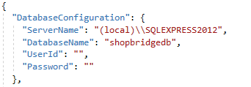

2) | appsettings.Developement.json

3) | ShopBridgeDatabaseContext.cs

- | At the above 3 snapshot need to change the Sql Server Version as per your enviroment.

 | Example:

 | Snapshot 1) | "DatabaseConfiguration": { "ServerName": "(local)\\SQLEXPRESS2012", "DatabaseName": "shopbridgedb", "UserId": "", "Password": "" }, | "DatabaseConfiguration": { "ServerName": "(local)\\SQLEXPRESS2014", "DatabaseName": "shopbridgedb", "UserId": "", "Password": "" },

